means comp Redox
Note | Kruskal Wallis non-parametric means comparisons performed due to the inability to achieve normality with
 | log- or power-transformation (see sheet 'Shapiro-Wilk' in this workbook).
 | Centered-logratio (clr) transformed variables were not used due to the number of missing data.

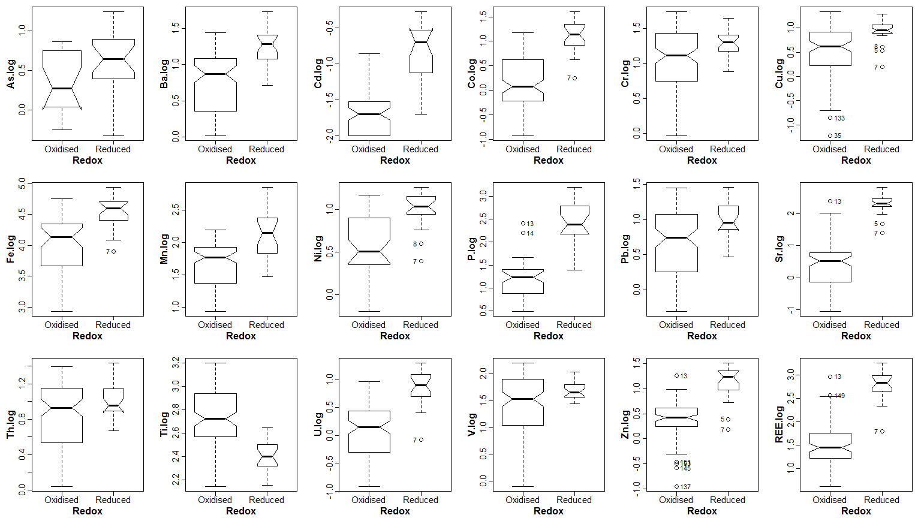
Kruskal-Wallis tests by Redox groups
Variable | Kruskal-Wallis χ² | p-value | Interp
As.ms | 30.3 | 3.64E-08
As.oes | 5.7 | 0.01664
Ba.ms | 26.4 | 2.72E-07
Cd.ms | 44.0 | 3.28E-11
Co.ms | 39.7 | 3.03E-10
Co.oes | 16.0 | 6.27E-05
Cr.ms | 5.6 | 0.01765
Cr.oes | 2.6 | 0.1046 | ns
Cu.ms | 13.2 | 0.0002817
Cu.oes | 9.9 | 0.001636
Fe.ms | 25.3 | 4.90E-07
Fe.oes | 20.2 | 6.90E-06
Mn.ms | 19.2 | 1.17E-05
Mn.oes | 12.8 | 0.0003413
Mo.ms | 27.2 | 1.85E-07
Ni.oes | 21.8 | 3.04E-06
P.oes | 36.4 | 1.58E-09
Pb.ms | 9.6 | 0.001939
Pb.oes | 2.9 | 0.08803 | ns
Rb.ms | 13.0 | 0.0003101
S.oes | 24.0 | 9.72E-07
Sr.ms | 53.8 | 2.22E-13
Th.ms | 2.7 | 0.1017 | ns
Ti.ms | 31.1 | 2.49E-08
U.ms | 36.9 | 1.27E-09
V.ms | 3.7 | 0.05456 | ns
Zn.ms | 39.3 | 3.57E-10
Zn.oes | 28.0 | 1.23E-07
REE.ms | 51.5 | 7.27E-13

means comp Type
Note | Kruskal Wallis non-parametric means comparisons performed due to the inability to achieve normality with
 | log- or power-transformation (see sheet 'Shapiro-Wilk' in this workbook).
 | Centered-logratio (clr) transformed variables were not used due to the number of missing data.

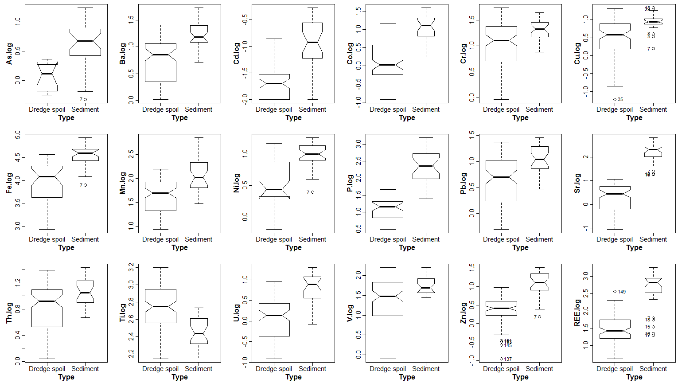
Kruskal-Wallis tests by Type groups
Variable | Kruskal-Wallis χ² | p-value | Interp
As.ms | 44.9 | 2.06E-11
As.oes | 16.4 | 5.19E-05
Ba.ms | 36.2 | 1.80E-09
Cd.ms | 42.9 | 5.92E-11
Co.ms | 44.4 | 2.66E-11
Co.oes | 14.6 | 0.0001302
Cr.ms | 12.6 | 0.000383
Cr.oes | 10.1 | 0.001502
Cu.ms | 17.4 | 2.97E-05
Cu.oes | 14.1 | 0.0001768
Fe.ms | 36.7 | 1.36E-09
Fe.oes | 31.9 | 1.62E-08
Mn.ms | 21.0 | 4.52E-06
Mn.oes | 15.4 | 8.78E-05
Mo.ms | 28.9 | 7.45E-08
Ni.oes | 24.8 | 6.28E-07
P.oes | 41.7 | 1.06E-10
Pb.ms | 20.3 | 6.55E-06
Pb.oes | 11.6 | 0.000667
Rb.ms | 25.4 | 4.65E-07
S.oes | 27.6 | 1.49E-07
Sr.ms | 65.8 | 5.03E-16
Th.ms | 8.2 | 0.004119
Ti.ms | 28.0 | 1.22E-07
U.ms | 35.9 | 2.13E-09
V.ms | 10.3 | 0.001346
Zn.ms | 43.4 | 4.55E-11
Zn.oes | 26.4 | 2.74E-07
REE.ms | 47.8 | 4.79E-12

means comp Site
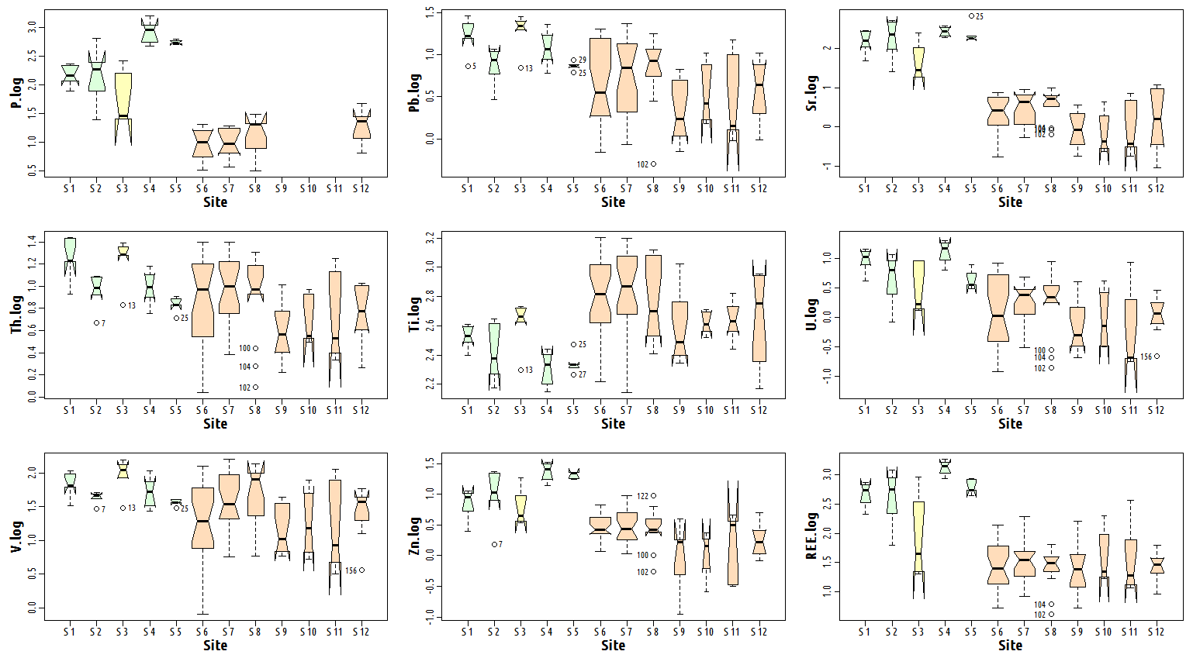
Note | Kruskal Wallis non-parametric means comparisons performed due to the inability to achieve normality with
 | log- or power-transformation (see sheet 'Shapiro-Wilk' in this workbook).
 | Centered-logratio (clr) transformed variables were not used due to the number of missing data.
 |  |  |  | Scroll down for more boxplots
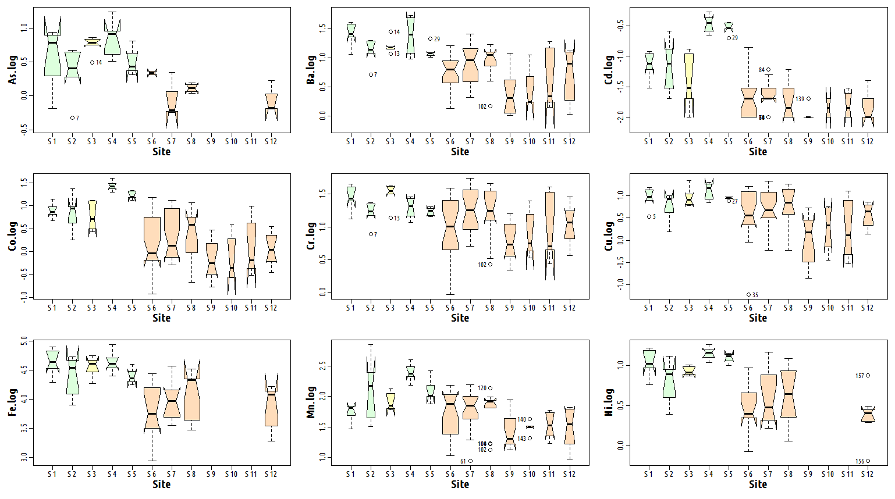
Kruskal-Wallis tests by 'Site' groups
Variable | Kruskal-Wallis χ² | p-value | Interp
As.ms | 50.8 | 4.57E-07
As.oes | 23.6 | 0.002672
Ba.ms | 53.6 | 1.42E-07
Cd.ms | 55.7 | 5.71E-08
Co.ms | 56.7 | 3.78E-08
Co.oes | 27.5 | 0.0005911
Cr.ms | 31.5 | 0.0009147
Cr.oes | 20.1 | 0.0101
Cu.ms | 36.2 | 0.0001584
Cu.oes | 21.1 | 0.006816
Fe.ms | 42.9 | 1.14E-05
Fe.oes | 35.5 | 2.17E-05
Mn.ms | 48.4 | 1.21E-06
Mn.oes | 29.0 | 0.0003122
Mo.ms | 45.7 | 3.67E-06
Ni.oes | 32.8 | 6.65E-05
P.oes | 48.7 | 7.25E-08
Pb.ms | 38.4 | 6.70E-05
Pb.oes | 23.1 | 0.003294
Rb.ms | 40.0 | 3.58E-05
S.oes | 36.0 | 1.79E-05
Sr.ms | 75.8 | 9.63E-12
Th.ms | 31.5 | 0.0009256
Ti.ms | 46.0 | 3.27E-06
U.ms | 48.7 | 1.05E-06
V.ms | 25.9 | 0.006784
Zn.ms | 55.6 | 6.03E-08
Zn.oes | 34.8 | 2.95E-05
REE.ms | 55.0 | 7.66E-08

LDA
All models calculate Linear Discriminants on additive-logratio transformed data with Cr as the reference element.

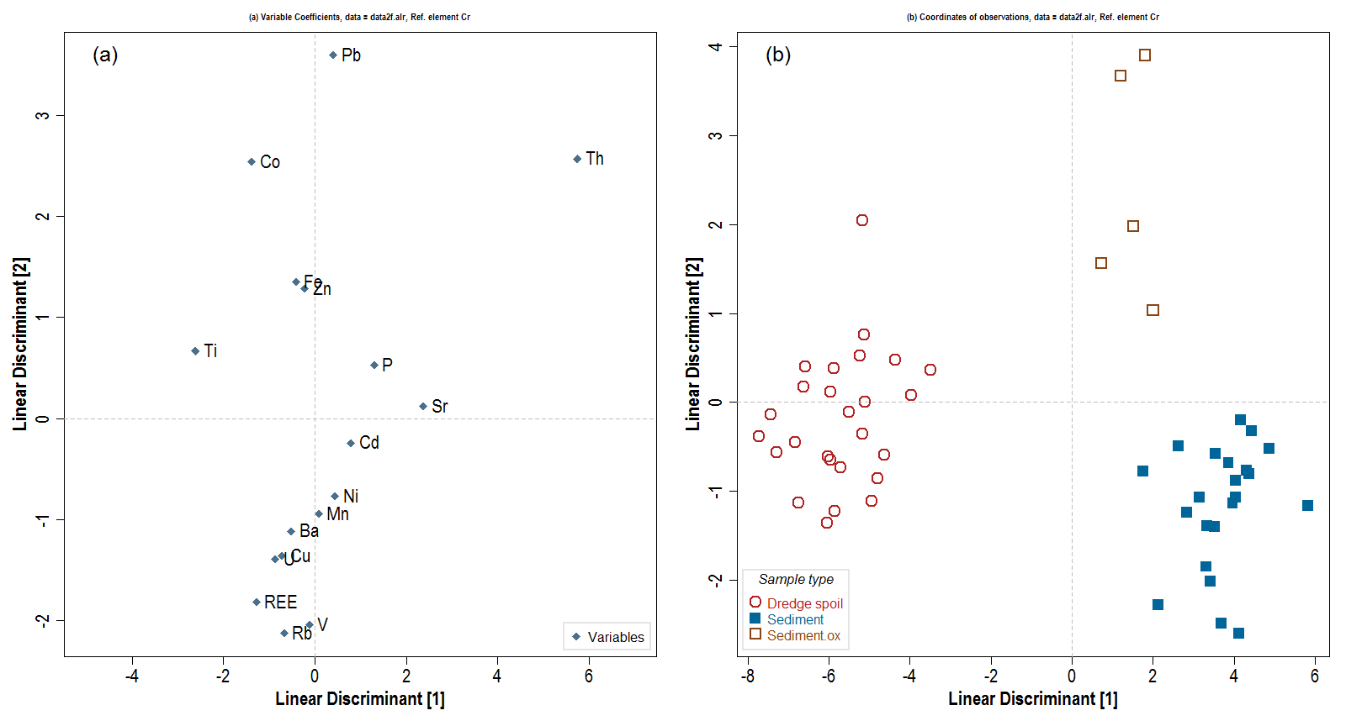
Iteration 1: |  | – not including variables with lots of NAs (As, Mo), replacing Fe.oes with Fe.ms as they are well correlated (Pearsons r 0.99) and Fe.oes has many NAs
Element | LD1 | LD2 | (LD1*LD2)² | Dist from origin √(LD1²+LD2²) | Order of removal from model
Ba | -0.5073 | -1.117 | 0.32109686905 | 1.2268016506 | 4
Cd | 0.7995 | -0.242 | 0.037434123441 | 0.83532284178 | 1
Co | -1.3776 | 2.546 | 12.301641511 | 2.8948053061 | 15
Cu | -0.7184 | -1.361 | 0.95598020076 | 1.5389670432 | 8
Fe | -0.4076 | 1.355 | 0.3050330808 | 1.4149780069 | 7
Mn | 0.0847 | -0.946 | 0.0064202079264 | 0.94978423339 | 3
Ni | 0.4424 | -0.772 | 0.11664465348 | 0.88977624153 | 2
P | 1.3006 | 0.526 | 0.46801415416 | 1.4029384733 | 6
Pb | 0.4095 | 3.599 | 2.1720584379 | 3.6222218665 | 16
Rb | -0.6688 | -2.129 | 2.0274205852 | 2.2315766713 | 12
Sr | 2.3775 | 0.123 | 0.085516767056 | 2.3806795773 | 13
Th | 5.7473 | 2.574 | 218.84912752 | 6.2973751111 | 17
Ti | -2.6068 | 0.667 | 3.0232014867 | 2.6907796714 | 14
U | -0.8591 | -1.397 | 1.4403905065 | 1.6400188444 | 9
V | -0.1138 | -2.046 | 0.054212044091 | 2.0491623752 | 10
Zn | -0.2152 | 1.288 | 0.076827421942 | 1.3058541419 | 5
REE | -1.2775 | -1.817 | 5.3880506823 | 2.2211472824 | 11

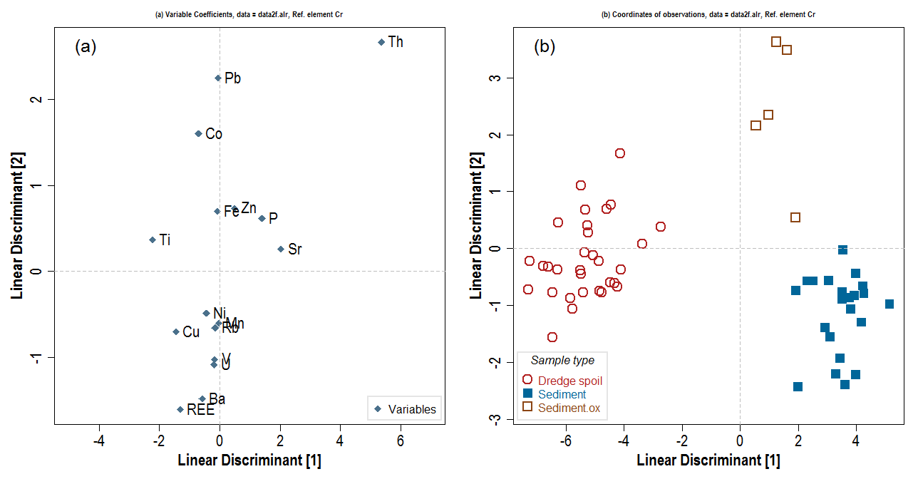
Iteration 2: removing Cd (see above)
Element | LD1 | LD2 | (LD1*LD2)² | Dist from origin √(LD1²+LD2²) | Order of removal from model
Ba | -0.5789 | -1.484 | 0.73803150447 | 1.5929159457 | 9
Co | -0.699 | 1.599 | 1.2492555254 | 1.7451080196 | 11
Cu | -1.4473 | -0.701 | 1.029326515 | 1.6081288164 | 10
Fe | -0.0798 | 0.697 | 0.0030936511444 | 0.70155330517 | 4
Mn | -0.0279 | -0.605 | 0.00028491752025 | 0.60564297239 | 1
Ni | -0.4383 | -0.488 | 0.045749103212 | 0.65593512637 | 2
P | 1.4064 | 0.613 | 0.74325641198 | 1.5341870681 | 8
Pb | -0.0556 | 2.25 | 0.01565001 | 2.250686864 | 14
Rb | -0.1533 | -0.658 | 0.010175039338 | 0.67562185429 | 3
Sr | 2.0374 | 0.256 | 0.27203985474 | 2.053420259 | 12
Th | 5.3575 | 2.667 | 204.15987484 | 5.9846215628 | 16
Ti | -2.2305 | 0.369 | 0.67741870997 | 2.2608165007 | 15
U | -0.1895 | -1.088 | 0.042508542976 | 1.104379577 | 7
V | -0.1567 | -1.023 | 0.025697404477 | 1.0349318287 | 6
Zn | 0.4874 | 0.735 | 0.12833518112 | 0.88192049528 | 5
REE | -1.3069 | -1.607 | 4.4107908955 | 2.0713369137 | 13

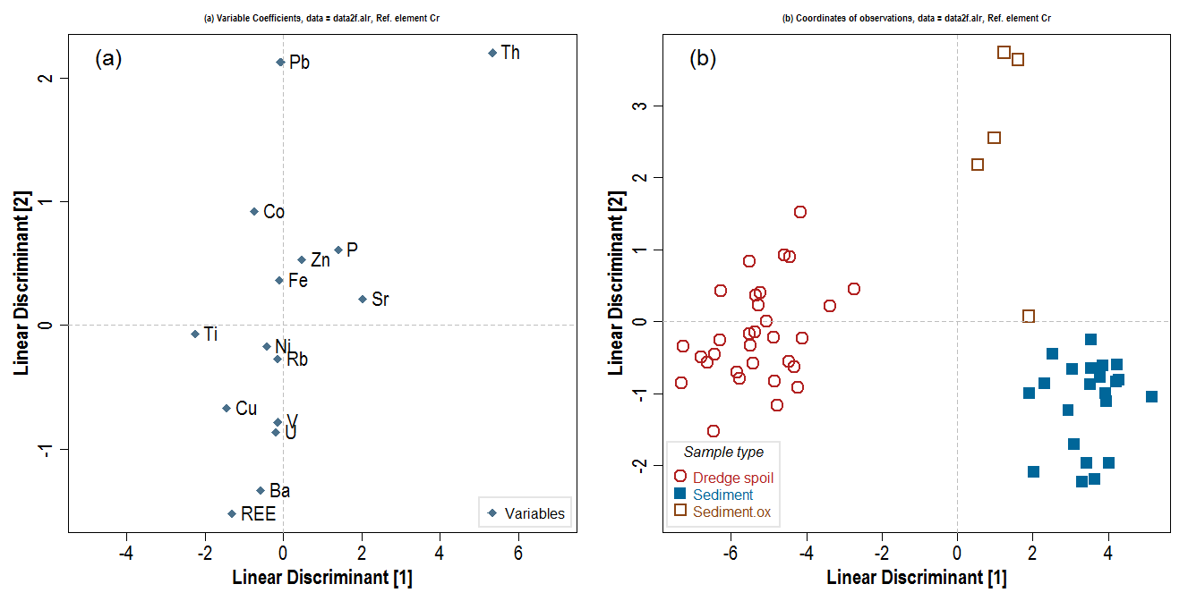
Iteration 3: removing Mn (see Iteration 2)
Element | LD1 | LD2 | (LD1*LD2)² | Radial dist. from origin √(LD1²+LD2²) | Order of removal from model
Ba | -0.5703 | -1.3385 | 0.5826979554 | 1.454931043 | 8
Co | -0.7315 | 0.9185 | 0.45142642975 | 1.1741952563 | 7
Cu | -1.445 | -0.6737 | 0.94769543551 | 1.5943326786 | 10
Fe | -0.0957 | 0.3614 | 0.0011961900126 | 0.37385618893 | 2
Ni | -0.4235 | -0.1739 | 0.0054238290562 | 0.4578137831 | 3
P | 1.4055 | 0.6122 | 0.7403692119 | 1.5330424293 | 9
Pb | -0.0639 | 2.1306 | 0.018535553604 | 2.1315580147 | 13
Rb | -0.1353 | -0.2753 | 0.0013874202086 | 0.30675100652 | 1
Sr | 2.0351 | 0.2139 | 0.1894929591 | 2.0463101476 | 12
Th | 5.3329 | 2.2057 | 138.36293522 | 5.7710427914 | 15
Ti | -2.2506 | -0.0717 | 0.026039637879 | 2.2517418258 | 14
U | -0.1782 | -0.8688 | 0.023969281942 | 0.88688707286 | 6
V | -0.1446 | -0.7827 | 0.012809354754 | 0.79594500438 | 5
Zn | 0.4773 | 0.5311 | 0.064259223246 | 0.71406057166 | 4
REE | -1.301 | -1.5248 | 3.9353227817 | 2.0043991718 | 11

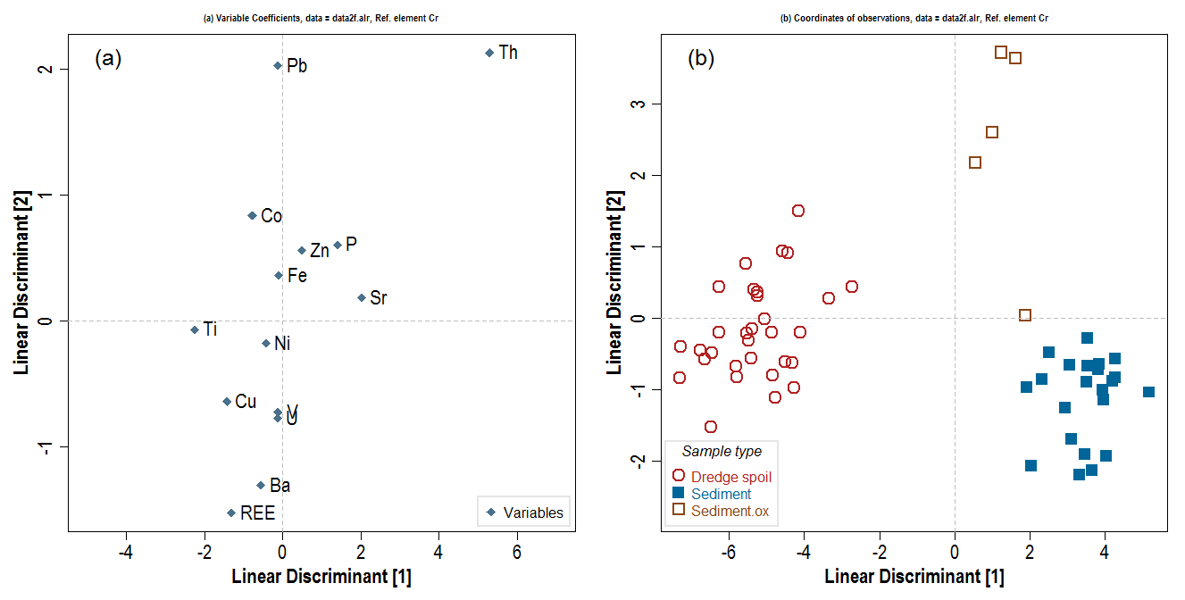
Iteration 4: removing Rb (see Iteration 3)
Element | LD1 | LD2 | (LD1*LD2)² | Radial dist. from origin √(LD1²+LD2²) | Order of removal from model
Ba | -0.5551 | -1.309 | 0.52798519855 | 1.4218357887 | 7
Co | -0.7711 | 0.838 | 0.41755091865 | 1.1387884834 | 6
Cu | -1.4291 | -0.642 | 0.84177358732 | 1.5666814641 | 9
Fe | -0.0953 | 0.363 | 0.0011967379172 | 0.37530133227 | 1
Ni | -0.4246 | -0.176 | 0.0055845131162 | 0.45963154809 | 2
P | 1.4018 | 0.606 | 0.72163461928 | 1.5271801596 | 8
Pb | -0.1146 | 2.029 | 0.054067131548 | 2.0322337858 | 12
Sr | 2.0205 | 0.185 | 0.13972083306 | 2.0289517614 | 11
Th | 5.2944 | 2.131 | 127.29179158 | 5.7071737629 | 14
Ti | -2.2488 | -0.069 | 0.024076859956 | 2.2498583155 | 13
U | -0.1305 | -0.772 | 0.010149756516 | 0.78295226547 | 5
V | -0.1172 | -0.728 | 0.0072797754266 | 0.73737360951 | 3
Zn | 0.4898 | 0.557 | 0.074429988506 | 0.74172302108 | 4
REE | -1.3009 | -1.526 | 3.9409134281 | 2.0052473189 | 10

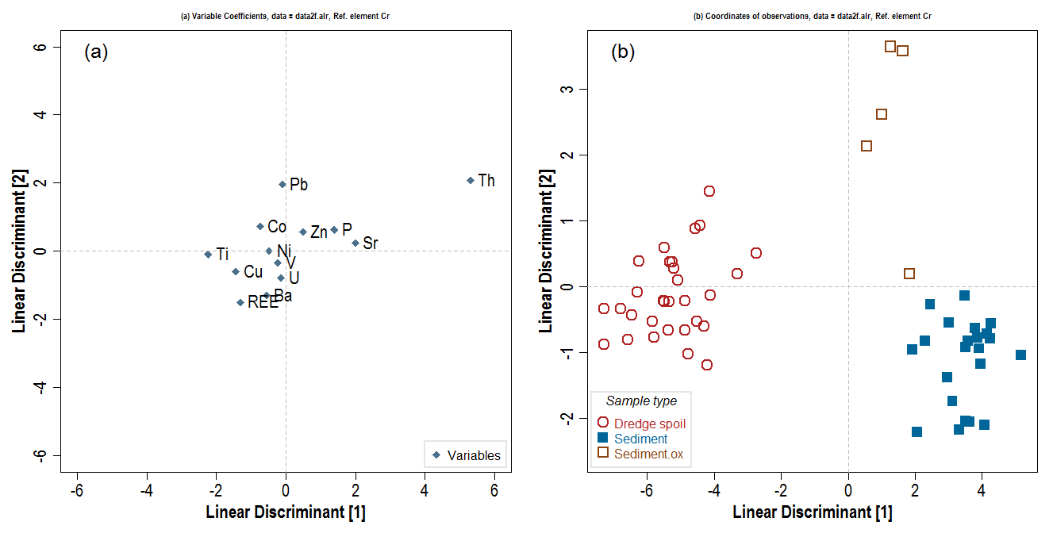
Iteration 5: removing Fe (see Iteration 4)
Element | LD1 | LD2 | (LD1*LD2)² | Radial dist. from origin √(LD1²+LD2²) | Order of removal from model
Ba | -0.5591 | -1.3005 | 0.5286882977 | 1.4155892978 | 6
Co | -0.7383 | 0.7192 | 0.28194545253 | 1.0306966236 | 5
Cu | -1.4409 | -0.5987 | 0.74419405958 | 1.5603315353 | 8
Ni | -0.4721 | 0.0055 | 6.7420719025E-06 | 0.47213203662 | 2
P | 1.3974 | 0.6239 | 0.76010125413 | 1.5303522372 | 7
Pb | -0.0951 | 1.9676 | 0.035013430344 | 1.9698968932 | 9
Sr | 2.0056 | 0.24 | 0.23169204634 | 2.0199087504 | 11
Th | 5.3096 | 2.0773 | 121.65278382 | 5.7014934403 | 13
Ti | -2.2406 | -0.0973 | 0.047528525788 | 2.2427116734 | 12
U | -0.1303 | -0.7782 | 0.010281850488 | 0.78903316153 | 4
V | -0.2191 | -0.3414 | 0.0055951507045 | 0.40565844007 | 1
Zn | 0.4899 | 0.5592 | 0.075049742136 | 0.7434424322 | 3
REE | -1.3104 | -1.4976 | 3.851229784 | 1.9899632961 | 10
Discriminant 1 explains 93.3 % of between groups variance
Discriminant 2 explains 6.69 % of between groups variance

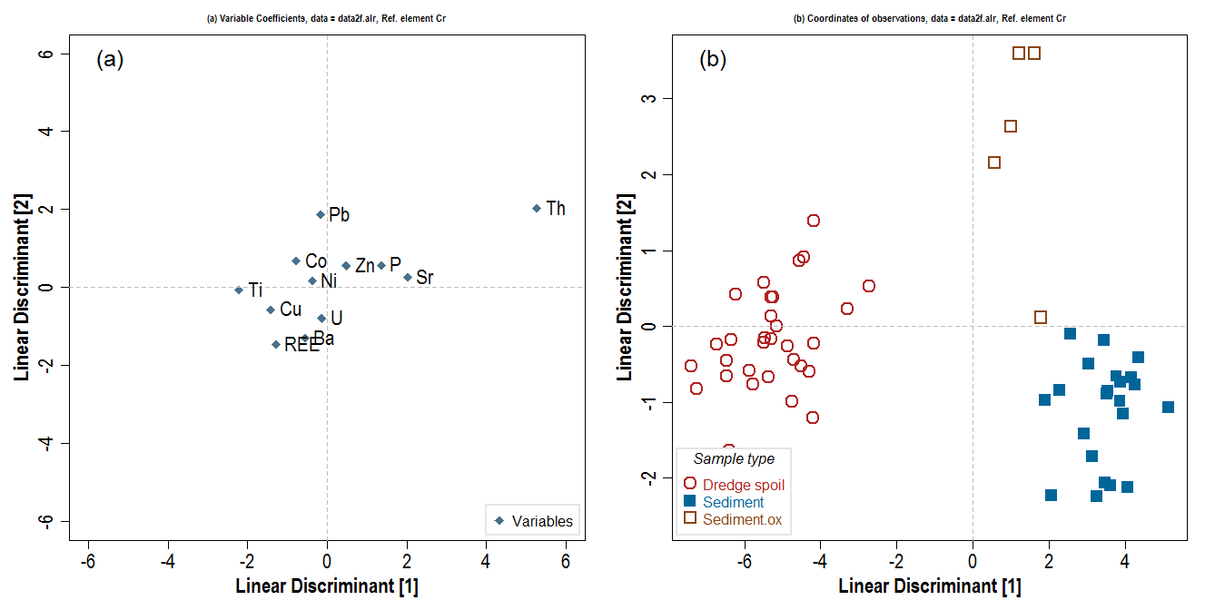
Iteration 6: removing V (see Iteration 5)
Element | LD1 | LD2 | (LD1*LD2)² | Radial dist. from origin √(LD1²+LD2²) | Order of removal from model
Ba | -0.556 | -1.2999 | 0.52235946773 | 1.413816116 | 5
Co | -0.769 | 0.6714 | 0.2665725052 | 1.0208520755 | 4
Cu | -1.418 | -0.5679 | 0.64847942164 | 1.527492851 | 7
Ni | -0.373 | 0.1594 | 0.0035350397184 | 0.40563205002 | 1
P | 1.362 | 0.5734 | 0.60991539045 | 1.4777792663 | 6
Pb | -0.167 | 1.8599 | 0.096474409971 | 1.8673823952 | 8
Sr | 2.021 | 0.2689 | 0.29533453312 | 2.038810489 | 10
Th | 5.272 | 2.0338 | 114.9654356 | 5.6506925629 | 12
Ti | -2.212 | -0.0568 | 0.015785811651 | 2.2127291384 | 11
U | -0.14 | -0.796 | 0.0124188736 | 0.80821779243 | 3
Zn | 0.485 | 0.5541 | 0.072220381382 | 0.73637749151 | 2
REE | -1.283 | -1.4616 | 3.5164980542 | 1.9448299566 | 9

Discriminant 1 explains 93.3 % of between groups variance
Discriminant 2 explains 6.67 % of between groups variance


Iteration 7: removing Ni (see Iteration 6)
Element | LD1 | LD2 | (LD1*LD2)² | Radial dist. from origin √(LD1²+LD2²) | Order of removal from model
Ba | -0.6135 | -1.2751 | 0.61195237639 | 1.415013166 | 4
Co | -0.9359 | 0.7443 | 0.48523814358 | 1.1957806237 | 3
Cu | -1.4612 | -0.548 | 0.64118070405 | 1.560579841 | 6
P | 1.3019 | 0.5978 | 0.605713252 | 1.4325880252 | 5
Pb | -0.1658 | 1.8605 | 0.095154296147 | 1.8678730926 | 7
Sr | 2.0465 | 0.2555 | 0.27340427872 | 2.0623875727 | 9
Th | 5.007 | 2.1414 | 114.96106527 | 5.4456994923 | 11
Ti | -2.2229 | -0.0491 | 0.011912497868 | 2.2234422007 | 10
U | -0.0779 | -0.8229 | 0.0041093112773 | 0.82657898594 | 2
Zn | 0.4636 | 0.5629 | 0.068100351245 | 0.72923341256 | 1
REE | -1.2725 | -1.4653 | 3.4767117171 | 1.9407112974 | 8

Discriminant 1 explains 93.3 % of between groups variance
Discriminant 2 explains 6.7 % of between groups variance

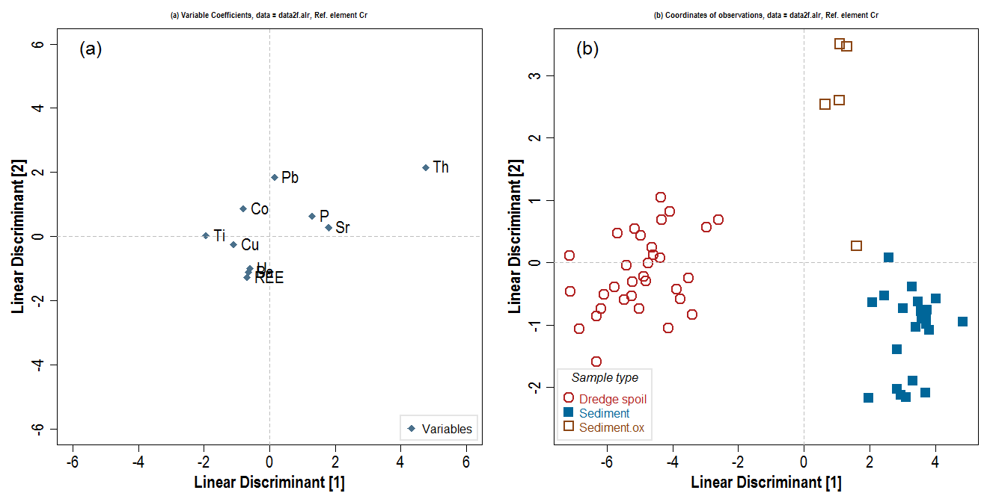
Iteration 8: removing Zn (see Iteration 7)
Element | LD1 | LD2 | (LD1*LD2)² | Radial dist. from origin √(LD1²+LD2²) | Order of removal from model
Ba | -0.642 | -1.1095 | 0.5073698654 | 1.2818557836 | 4
Co | -0.793 | 0.8744 | 0.48080245056 | 1.180433971 | 3
Cu | -1.095 | -0.244 | 0.0713851524 | 1.1218560514 | 1
P | 1.305 | 0.6324 | 0.68109037952 | 1.4501568053 | 6
Pb | 0.156 | 1.8503 | 0.08331697515 | 1.8568645858 | 8
Sr | 1.796 | 0.2747 | 0.24340527367 | 1.8168863723 | 7
Th | 4.767 | 2.1589 | 105.91448443 | 5.2330811393 | 10
Ti | -1.933 | 0.0313 | 0.0036606009084 | 1.9332533952 | 9
U | -0.603 | -0.9917 | 0.35759813962 | 1.1606368467 | 2
REE | -0.679 | -1.2808 | 0.75631408143 | 1.4496515581 | 5

Discriminant 1 explains 92.8 % of between groups variance
Discriminant 2 explains 7.17 % of between groups variance

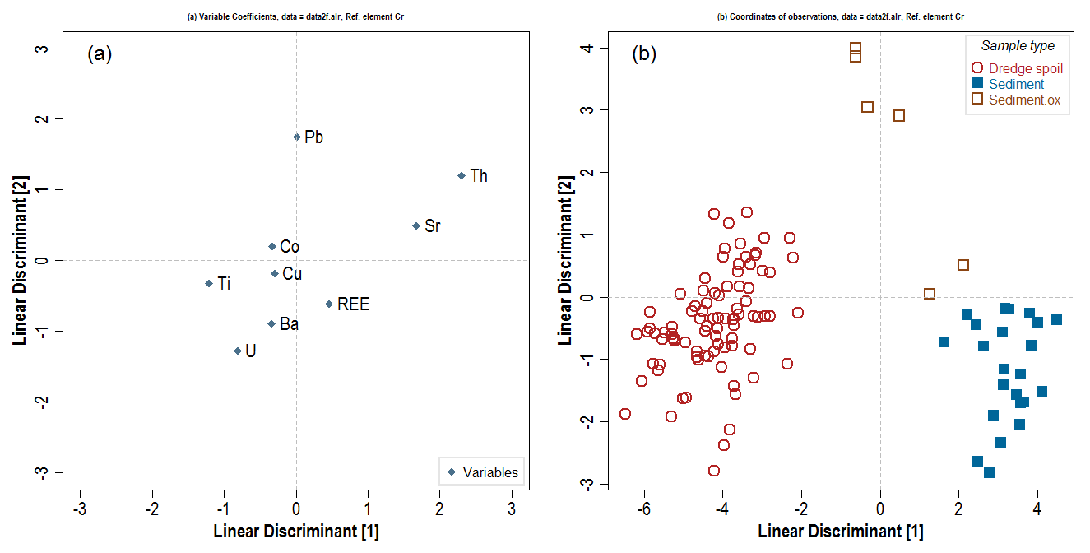
Iteration 9: removing P (ad-hoc, but P isn't a trace element)
Element | LD1 | LD2 | (LD1*LD2)² | Radial dist. from origin √(LD1²+LD2²) | Order of removal from model
Ba | -0.3355 | -0.891 | 0.08935944383 | 0.95207208236 | 4
Co | -0.3309 | 0.2 | 0.0043797924 | 0.38664558707 | 2
Cu | -0.2936 | -0.183 | 0.0028867839494 | 0.3459623679 | 1
Pb | 0.0132 | 1.751 | 0.00053422001424 | 1.7510497537 | 8
Sr | 1.6787 | 0.493 | 0.68492027032 | 1.7495950074 | 7
Th | 2.3061 | 1.205 | 7.7220101014 | 2.6019458507 | 9
Ti | -1.2073 | -0.323 | 0.15206716377 | 1.2497608931 | 5
U | -0.8107 | -1.274 | 1.0667415271 | 1.5100696971 | 6
REE | 0.4642 | -0.612 | 0.080707355372 | 0.76813126482 | 3

Discriminant 1 explains 89.5 % of between groups variance
Discriminant 2 explains 10.5 % of between groups variance

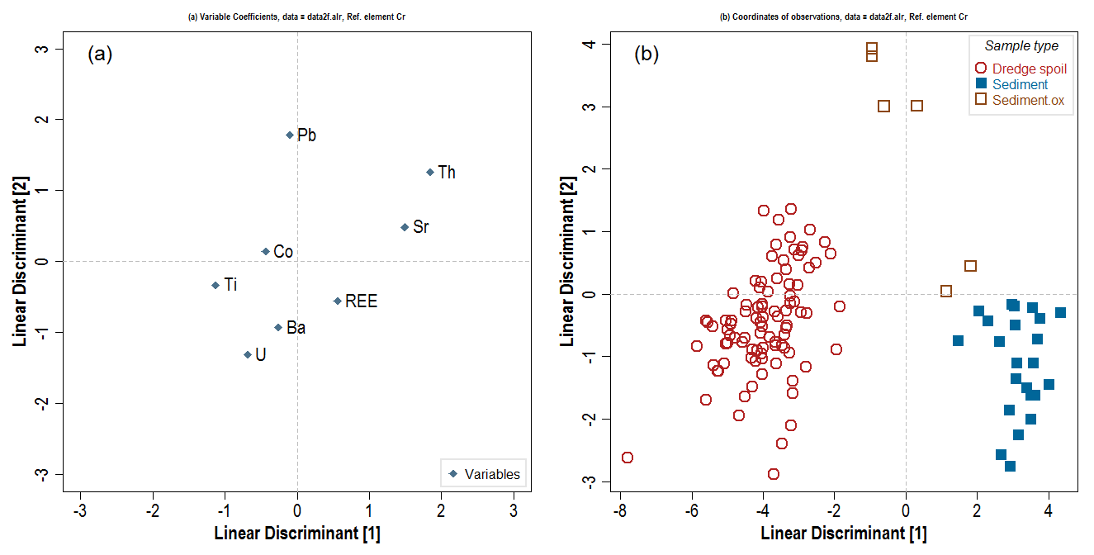
Iteration 10: removing Cu (see iterations 8, 9)
Element | LD1 | LD2 | (LD1*LD2)² | Radial dist. from origin √(LD1²+LD2²) | Order of removal from model
Ba | -0.255 | -0.928 | 0.0559984896 | 0.96239752701 | 3
Co | -0.4352 | 0.145 | 0.003982114816 | 0.45872000174 | 1
Pb | -0.0993 | 1.781 | 0.031277089721 | 1.7837660973 | 7
Sr | 1.4919 | 0.486 | 0.52571693402 | 1.569063928 | 6
Th | 1.8452 | 1.258 | 5.3882554156 | 2.2332324196 | 8
Ti | -1.1224 | -0.33 | 0.13719023366 | 1.1699067313 | 4
U | -0.6847 | -1.311 | 0.80576062158 | 1.4790318083 | 5
REE | 0.5601 | -0.56 | 0.098380086336 | 0.79203030876 | 2

Discriminant 1 explains 88.5 % of between groups variance
Discriminant 2 explains 11.5 % of between groups variance

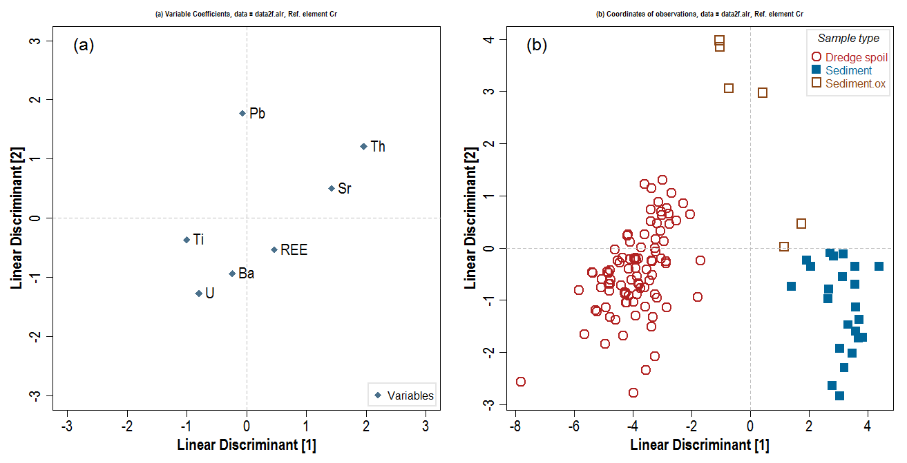
Iteration 11: removing Co (see iteration 10)
Element | LD1 | LD2 | (LD1*LD2)² | Radial dist. from origin √(LD1²+LD2²) | Order of removal from model
Ba | -0.24 | -0.934 | 0.0502477056 | 0.96434226289 | 2
Pb | -0.0631 | 1.773 | 0.012516306502 | 1.7741224901 | 6
Sr | 1.4235 | 0.501 | 0.5086164411 | 1.5090902061 | 5
Th | 1.9646 | 1.208 | 5.6322529089 | 2.3062777716 | 7
Ti | -1.0044 | -0.363 | 0.13293111825 | 1.0679833145 | 3
U | -0.7981 | -1.271 | 1.0289771311 | 1.5008013226 | 4
REE | 0.4638 | -0.532 | 0.060881417171 | 0.70578639828 | 1

Discriminant 1 explains 88.2 % of between groups variance
Discriminant 2 explains 11.8 % of between groups variance
THIS IS PROBABLY THE BEST LDA MODEL TO USE
see notes on iteration 12 though

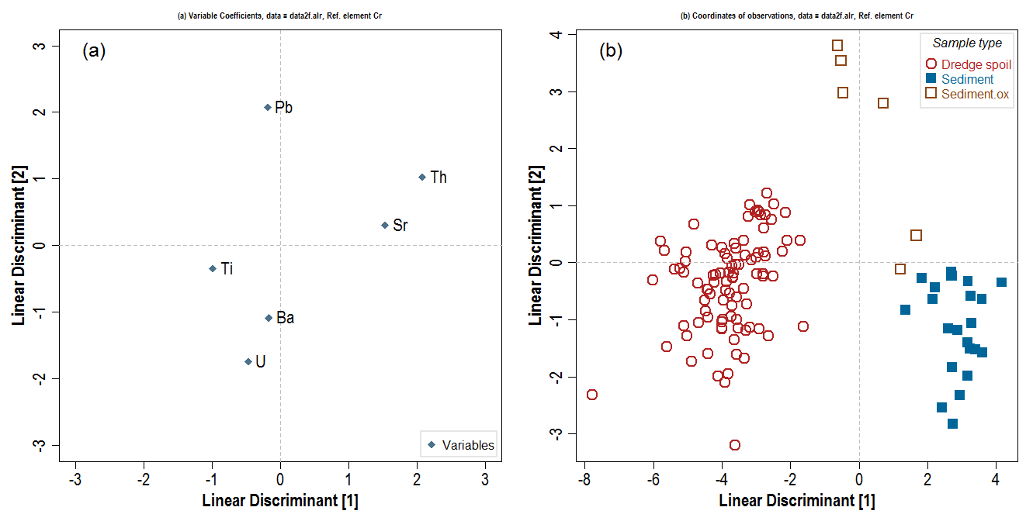
Iteration 12 (FINAL): removing REE (see iteration 11)
Element | LD1 | LD2 | (LD1*LD2)² | Radial dist. from origin √(LD1²+LD2²) | Order of removal from model
Ba | -0.167 | -1.085 | 0.032831628025 | 1.0977768444 | 2
Pb | -0.186 | 2.071 | 0.14838366244 | 2.0793357112 | 5
Sr | 1.536 | 0.304 | 0.21803669914 | 1.5657943671 | 3
Th | 2.084 | 1.022 | 4.5362525031 | 2.3211074943 | 6
Ti | -0.989 | -0.349 | 0.11913611592 | 1.0487716625 | 1
U | -0.471 | -1.742 | 0.67319071232 | 1.8045511907 | 4

Discriminant 1 explains 88.6 % of between groups variance
Discriminant 2 explains 11.4 % of between groups variance
Notes
Not the list of discriminant elements that might be expected on the basis of PCA, etc. but :
• Th depletion known, from airborne radiometric data, to delineate acid sulfate soils, so Th (and Sr?) depletion in dredge spoil?
• Pb forms insoluble anglesite (and Ba barite?)
• U is retained even in acid sulfate oxidation and reduced forms of U are immobile
The LDA model should be tested on other data e.g. Bree's, Eleanor's

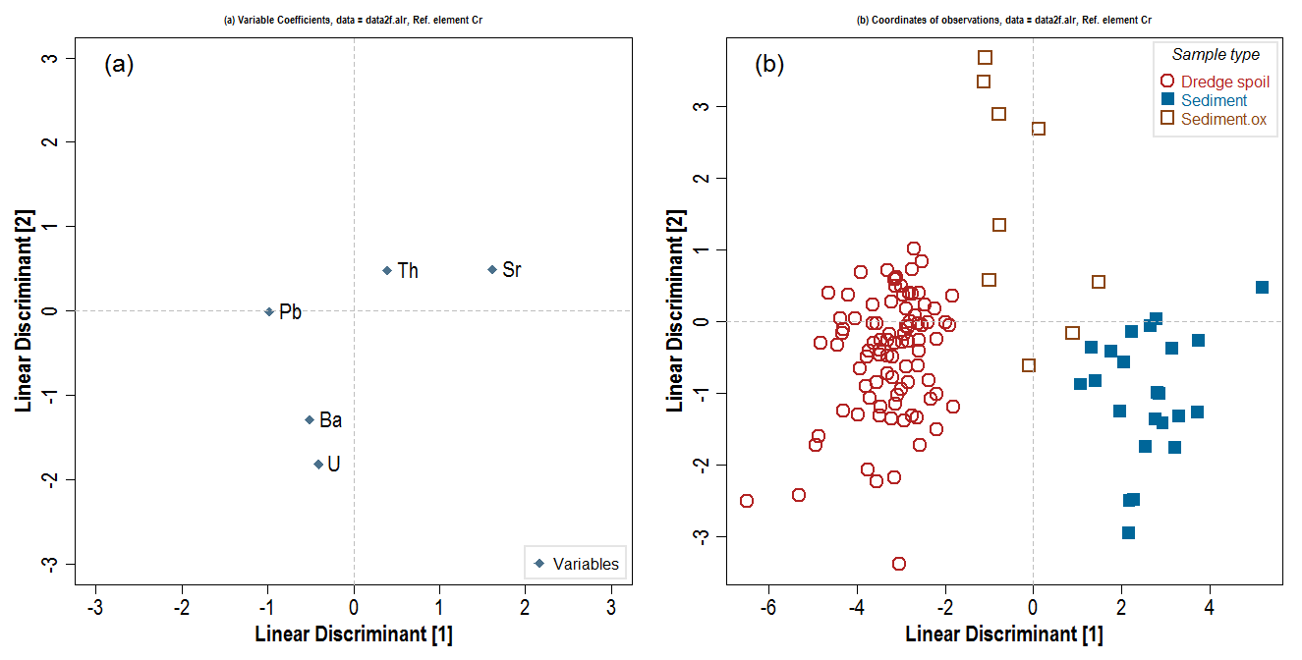
Iteration 13: removing Ti (see iteration 12)
Element | LD1 | LD2 | (LD1*LD2)² | Radial dist. from origin √(LD1²+LD2²) | Order of removal from model
Ba | -0.504 | -1.2916 | 0.42375725393 | 1.3864510666 | 3
Pb | -0.977 | -0.0123 | 0.00014441069241 | 0.97707742273 | 2
Sr | 1.619 | 0.4881 | 0.62446961671 | 1.6909768212 | 4
Th | 0.393 | 0.4755 | 0.034920957512 | 0.61688674001 | 1
U | -0.409 | -1.8176 | 0.55264118112 | 1.8630487809 | 5

Plot (b) suggests model breaks down on this iteration, since
groups are now overlapping for the first time (previously
LD1 separated Dredge soil from Sediment+Sediment.ox;
LD2 separated Sediment from Sediment.ox).

Discriminant 1 explains 85.6 % of between groups variance
Discriminant 2 explains 14.4 % of between groups variance

Model = iteration 11 (includes Ba, Pb, Sr, Th, Ti, U, REE) |  |  |  |  |  | Model = iteration 12 (excludes REE)

LDA2 -P
All models calculate Linear Discriminants on additive-logratio transformed data with Cr as the reference element.

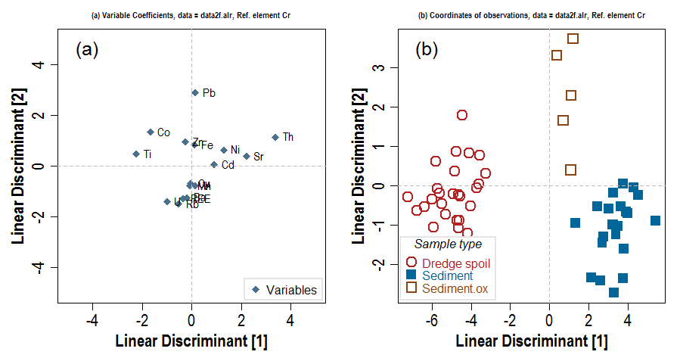
Iteration 1: |  | – not including variables with lots of NAs (As, Mo, P), replacing Fe.oes with Fe.ms as they are well correlated (Pearsons r 0.99) and Fe.oes has many NAs
Element | LD1 | LD2 | (LD1*LD2)² | Dist from origin √(LD1²+LD2²) | Order of removal from model
Ba | -0.19986 | -1.24789 | 0.062202003756 | 1.2637932868 | 7 |  | LD1 | LD2
Cd | 0.92647 | 0.05114 | 0.0022448336789 | 0.92788035894 | 5 | Ba | -0.19986 | -1.24789 | 1.2637932868 | 10
Co | -1.65899 | 1.34339 | 4.9669725368 | 2.1347000989 | 12 | Cd | 0.92647 | 0.05114 | 0.92788035894 | 12
Cu | -0.01882 | -0.69902 | 0.00017306866419 | 0.69927330337 | 1 | Co | -1.65899 | 1.34339 | 2.1347000989 | 5
Fe | 0.11358 | 0.83552 | 0.0090056990344 | 0.84320465298 | 4 | Cu | -0.01882 | -0.69902 | 0.69927330337 | 16
Mn | -0.05319 | -0.78355 | 0.0017369743712 | 0.78535328267 | 2 | Fe | 0.11358 | 0.83552 | 0.84320465298 | 13
Ni | 1.30089 | 0.63118 | 0.674198231 | 1.4459263413 | 9 | Mn | -0.05319 | -0.78355 | 0.78535328267 | 15
Pb | 0.14977 | 2.88531 | 0.18673882485 | 2.8891944983 | 15 | Ni | 1.30089 | 0.63118 | 1.4459263413 | 8
Rb | -0.52311 | -1.50316 | 0.61829604053 | 1.5915822497 | 10 | Pb | 0.14977 | 2.88531 | 2.8891944983 | 2
Sr | 2.21751 | 0.38657 | 0.73483099862 | 2.2509524573 | 13 | Rb | -0.52311 | -1.50316 | 1.5915822497 | 7
Th | 3.38966 | 1.14097 | 14.957559113 | 3.5765356781 | 16 | Sr | 2.21751 | 0.38657 | 2.2509524573 | 4
Ti | -2.22699 | 0.45966 | 1.0478761583 | 2.2739331071 | 14 | Th | 3.38966 | 1.14097 | 3.5765356781 | 1
U | -0.98975 | -1.40827 | 1.9427766554 | 1.7212871508 | 11 | Ti | -2.22699 | 0.45966 | 2.2739331071 | 3
V | 0.15841 | -0.78765 | 0.015567961275 | 0.80342158958 | 3 | U | -0.98975 | -1.40827 | 1.7212871508 | 6
Zn | -0.23293 | 0.95574 | 0.049559895124 | 0.98371506672 | 6 | V | 0.15841 | -0.78765 | 0.80342158958 | 14
REE | -0.32932 | -1.29413 | 0.18163185709 | 1.3353741496 | 8 | Zn | -0.23293 | 0.95574 | 0.98371506672 | 11
 |  |  |  |  |  | REE | -0.32932 | -1.29413 | 1.3353741496 | 9

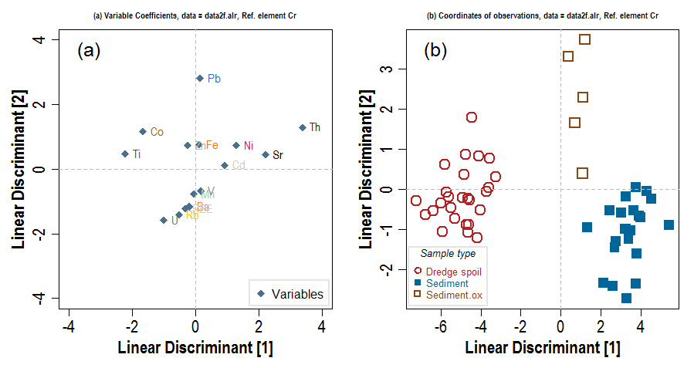
Iteration 2 |  | omitting Cu (see iteration 1 above)
Element | LD1 | LD2 | (LD1*LD2)² | Dist from origin √(LD1²+LD2²) | Order of removal from model
Ba | -0.19717 | -1.1621 | 0.052501132934 | 1.1787079447 | 6
Cd | 0.92833 | 0.1223 | 0.012890141501 | 0.93635136509 | 5
Co | -1.6642 | 1.1636 | 3.7498894151 | 2.0306468428 | 11
Fe | 0.11136 | 0.7625 | 0.007210047744 | 0.77058893036 | 3
Mn | -0.05261 | -0.7713 | 0.0016465816315 | 0.77309216921 | 4
Ni | 1.30322 | 0.727 | 0.89764433479 | 1.4922839436 | 8
Pb | 0.14708 | 2.8201 | 0.1720427039 | 2.8239328137 | 14
Rb | -0.52023 | -1.4136 | 0.54080893587 | 1.5062882237 | 9
Sr | 2.21905 | 0.45 | 0.99714703776 | 2.264217945 | 12
Th | 3.39329 | 1.2926 | 19.238457917 | 3.6311474473 | 15
Ti | -2.22672 | 0.4747 | 1.1172997028 | 2.2767569146 | 13
U | -0.99411 | -1.5902 | 2.4990352566 | 1.8753641599 | 10
V | 0.16141 | -0.6845 | 0.012206967266 | 0.70327337366 | 1
Zn | -0.23939 | 0.7247 | 0.030097368949 | 0.76321534451 | 2
REE | -0.32693 | -1.2207 | 0.15926760086 | 1.2637213755 | 7

Discriminant 1 explains 92.3 % of between groups variance
Discriminant 2 explains 7.7 % of between groups variance

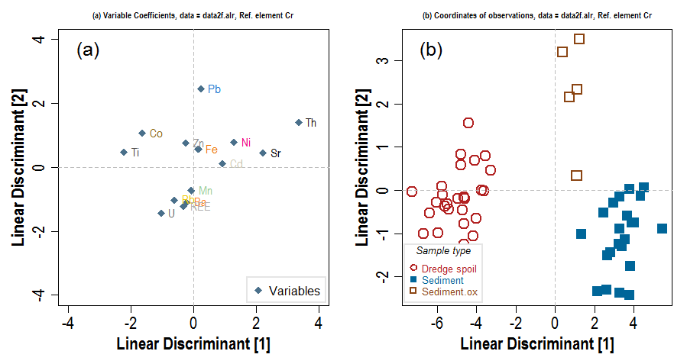
Iteration 3: omitting V (see iteration 2 above)
Element | LD1 | LD2 | (LD1*LD2)² | Dist from origin √(LD1²+LD2²) | Order of removal from model
Ba | -0.21546 | -1.0944 | 0.055601368359 | 1.1154077154 | 5
Cd | 0.92963 | 0.1158 | 0.011588770958 | 0.93681459046 | 4
Co | -1.64028 | 1.076 | 3.1150177218 | 1.9617070317 | 10
Fe | 0.15701 | 0.574 | 0.0081222885116 | 0.59508666604 | 1
Mn | -0.06333 | -0.7326 | 0.0021525478021 | 0.73533220309 | 2
Ni | 1.29329 | 0.7735 | 1.0007197595 | 1.506950986 | 8
Pb | 0.24063 | 2.4459 | 0.34639924455 | 2.4577082021 | 13
Rb | -0.61449 | -1.0222 | 0.39454940491 | 1.1926821874 | 6
Sr | 2.22155 | 0.4386 | 0.9494004631 | 2.2644324592 | 11
Th | 3.36904 | 1.4012 | 22.284997614 | 3.648806923 | 14
Ti | -2.22549 | 0.4789 | 1.1359022726 | 2.2764338229 | 12
U | -1.03054 | -1.4471 | 2.2239590889 | 1.7765447086 | 9
Zn | -0.24436 | 0.7535 | 0.03390211137 | 0.79213260228 | 3
REE | -0.32969 | -1.2198 | 0.16172933734 | 1.2635693634 | 7

Discriminant 1 explains 92.4 % of between groups variance
Discriminant 2 explains 7.59 % of between groups variance

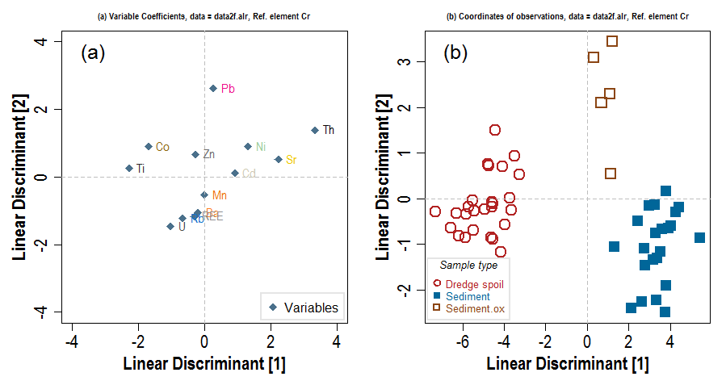
Iteration 4: omitting Fe (see iteration 3 above)
Element | LD1 | LD2 | (LD1*LD2)² | Dist from origin √(LD1²+LD2²) | Order of removal from model
Ba | -0.195852 | -1.0486 | 0.042177004153 | 1.0667333153 | 4
Cd | 0.924143 | 0.1041 | 0.0092550722949 | 0.92998768511 | 3
Co | -1.691965 | 0.8975 | 2.3059594417 | 1.9152680782 | 9
Mn | -0.002717 | -0.5234 | 2.0223052693E-06 | 0.52340705201 | 1
Ni | 1.322074 | 0.9086 | 1.4429689761 | 1.6041925138 | 7
Pb | 0.268664 | 2.6116 | 0.49230276249 | 2.6253828111 | 12
Rb | -0.663108 | -1.2332 | 0.66870653438 | 1.4001765816 | 6
Sr | 2.236089 | 0.5182 | 1.3426814462 | 2.2953486132 | 10
Th | 3.351087 | 1.3897 | 21.687701195 | 3.6278161711 | 13
Ti | -2.284172 | 0.2559 | 0.34166318009 | 2.298461776 | 11
U | -1.023362 | -1.4618 | 2.2378681127 | 1.784412795 | 8
Zn | -0.270411 | 0.6724 | 0.03306009658 | 0.72473710331 | 2
REE | -0.306436 | -1.1641 | 0.12725069059 | 1.2037573809 | 5

Discriminant 1 explains 92.7 % of between groups variance
Discriminant 2 explains 7.33 % of between groups variance

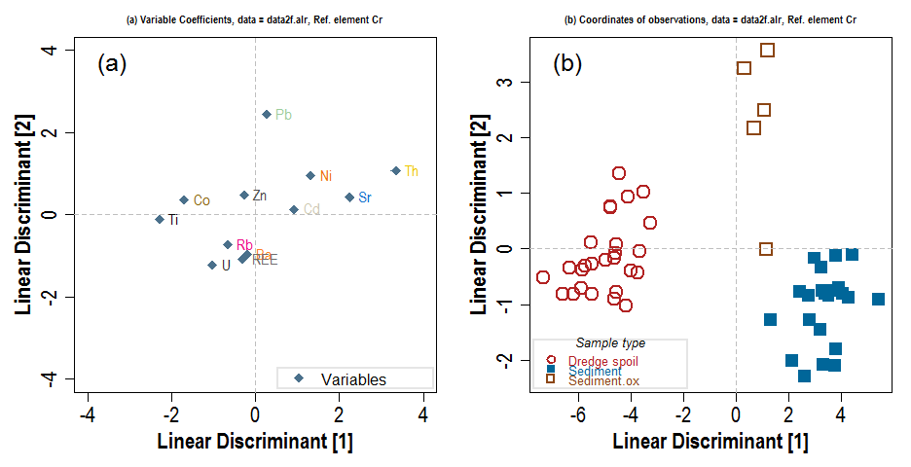
Iteration 5: omitting Mn (see iteration 4 above)
Element | LD1 | LD2 | (LD1*LD2)² | Dist from origin √(LD1²+LD2²) | Order of removal from model
Ba | -0.1953 | -0.9597 | 0.035129783733 | 0.97937029769 | 3
Cd | 0.9243 | 0.1329 | 0.01508953539 | 0.93380560075 | 2
Co | -1.6948 | 0.3607 | 0.37370524674 | 1.7327583588 | 8
Ni | 1.3222 | 0.9556 | 1.5964178967 | 1.6313749416 | 7
Pb | 0.2675 | 2.446 | 0.42811503303 | 2.4605837214 | 11
Rb | -0.6604 | -0.7322 | 0.23381565097 | 0.98602484756 | 4
Sr | 2.2355 | 0.4219 | 0.88954597549 | 2.2749637052 | 9
Th | 3.3492 | 1.0634 | 12.684562043 | 3.5139664483 | 12
Ti | -2.286 | -0.1074 | 0.060278302669 | 2.2885215227 | 10
U | -1.022 | -1.2298 | 1.5796859993 | 1.5990284675 | 6
Zn | -0.2715 | 0.4817 | 0.01710381382 | 0.55294406589 | 1
REE | -0.3059 | -1.091 | 0.11138031842 | 1.1330736119 | 5

Discriminant 1 explains 93 % of between groups variance
Discriminant 2 explains 7.02 % of between groups variance

Iteration 6: omitting Zn (see iteration 5 above)
Element | LD1 | LD2 | (LD1*LD2)² | Dist from origin √(LD1²+LD2²) | Order of removal from model
Ba | -0.199 | -0.96885 | 0.037172283441 | 0.9890759943 | 2
Cd | 0.8728 | 0.21925 | 0.03661918541 | 0.89991688644 | 1
Co | -1.768 | 0.51845 | 0.8401914911 | 1.8424479375 | 7
Ni | 1.1712 | 1.23425 | 2.0896252105 | 1.701494197 | 5
Pb | 0.2432 | 2.53347 | 0.3796283813 | 2.5451162018 | 10
Rb | -0.4436 | -1.13326 | 0.25272150253 | 1.2169877516 | 4
Sr | 2.1992 | 0.47237 | 1.079180451 | 2.2493585879 | 8
Th | 3.2794 | 1.17524 | 14.853948494 | 3.483626475 | 11
Ti | -2.3147 | -0.03324 | 0.005919860237 | 2.3149386574 | 9
U | -0.8744 | -1.51052 | 1.7445091742 | 1.7453498304 | 6
REE | -0.4004 | -0.93658 | 0.14062997404 | 1.018578547 | 3

Discriminant 1 explains 93.1 % of between groups variance
Discriminant 2 explains 6.87 % of between groups variance

Iteration 7: omitting Cd (see iteration 6 above)
Element | LD1 | LD2 | (LD1*LD2)² | Dist from origin √(LD1²+LD2²) | Order of removal from model
Ba | -0.3437 | -1.24571 | 0.18331287377 | 1.2922550422 | 4
Co | -0.8204 | 0.59491 | 0.23820662818 | 1.0133972904 | 3
Ni | -0.8299 | -1.44831 | 1.4446897377 | 1.6692321187 | 6
Pb | 0.155 | 2.08272 | 0.10421378543 | 2.0884797338 | 9
Rb | -0.5741 | -0.47333 | 0.073841949882 | 0.74406457979 | 1
Sr | 1.7603 | 0.48865 | 0.7398934525 | 1.8268647767 | 8
Th | 2.8579 | 1.36007 | 15.108334071 | 3.1650249312 | 10
Ti | -1.7261 | -0.05351 | 0.008531036637 | 1.7269292198 | 7
U | -1.0188 | -1.29404 | 1.7380940569 | 1.6469647724 | 5
REE | 0.5127 | -0.76881 | 0.15536911148 | 0.92408338698 | 2

Discriminant 1 explains 90.8 % of between groups variance
Discriminant 2 explains 9.24 % of between groups variance

Iteration 8: omitting Rb (see iteration7 above)
Element | LD1 | LD2 | (LD1*LD2)² | Dist from origin √(LD1²+LD2²) | Order of removal from model
Ba | -0.282752 | -1.20054 | 0.11522975547 | 1.2333876054 | 3
Co | -0.949431 | 0.48632 | 0.21319208472 | 1.0667363152 | 2
Ni | -1.05596 | -1.64425 | 3.0146065313 | 1.9541262969 | 7
Pb | -0.007668 | 1.95502 | 0.00022473288013 | 1.9550350377 | 8
Sr | 1.669387 | 0.42168 | 0.4955415339 | 1.7218208322 | 6
Th | 2.625679 | 1.18288 | 9.6463860651 | 2.8798255686 | 9
Ti | -1.705379 | -0.04334 | 0.0054628545259 | 1.7059296261 | 5
U | -0.84202 | -1.15544 | 0.9465413931 | 1.4296990152 | 4
REE | 0.559852 | -0.73012 | 0.16708403636 | 0.92005949607 | 1

Discriminant 1 explains 90.7 % of between groups variance
Discriminant 2 explains 9.26 % of between groups variance

Iteration 9: omitting REE (see iteration 8 above)
Element | LD1 | LD2 | (LD1*LD2)² | Dist from origin √(LD1²+LD2²) | Order of removal from model
Ba | -0.2175 | -1.352 | 0.0864712836 | 1.3693831641 | 2
Co | -0.6843 | 0.17849 | 0.014918352306 | 0.70719528427 | 1
Ni | -1.7236 | -0.74453 | 1.6467867899 | 1.8775307936 | 6
Pb | -0.1873 | 2.32653 | 0.18988596622 | 2.3340572253 | 7
Sr | 1.776 | 0.22246 | 0.15609528631 | 1.7898783343 | 5
Th | 3.0511 | 0.53298 | 2.6444460348 | 3.0973018727 | 8
Ti | -1.6558 | -0.04266 | 0.0049895049606 | 1.6563494546 | 3
U | -0.5063 | -1.66539 | 0.71096424445 | 1.7406503216 | 4

Discriminant 1 explains 91.1 % of between groups variance
Discriminant 2 explains 8.9 % of between groups variance

Iteration 10: omitting Co (see iteration 9 above)
Element | LD1 | LD2 | (LD1*LD2)² | Dist from origin √(LD1²+LD2²) | Order of removal from model
Ba | -0.1453 | -1.3724 | 0.03976423643 | 1.3800702337 | 2
Ni | -2.242 | -0.5947 | 1.7777352891 | 2.319532731 | 6
Pb | -0.3727 | 0.6838 | 0.064949674427 | 0.77877322116 | 1
Sr | 1.6602 | 0.2415 | 0.16075152041 | 1.6776728793 | 4
Th | 3.4987 | 0.3924 | 1.8848266226 | 3.520636228 | 7
Ti | -1.5213 | -0.0672 | 0.010451250967 | 1.522783481 | 3
U | -0.7304 | -1.6048 | 1.3739260578 | 1.7631980036 | 5

Discriminant 1 explains 90.8 % of between groups variance
Discriminant 2 explains 9.24 % of between groups variance

Iteration 11: omitting Pb (see iteration 10 above)
Element | LD1 | LD2 | (LD1*LD2)² | Dist from origin √(LD1²+LD2²) | Order of removal from model
Ba | -0.1818 | -1.0393 | 0.035700114774 | 1.0550809116 | 2
Ni | -2.3304 | 1.0857 | 6.4014833301 | 2.5708964682 | 5
Sr | -0.3389 | 0.2029 | 0.0047283240391 | 0.3949957215 | 1
Th | 3.4616 | 1.2208 | 17.858410665 | 3.6705622458 | 6
Ti | -1.5122 | -0.2508 | 0.14383796556 | 1.5328566404 | 3
U | -0.7484 | -1.7151 | 1.6475797728 | 1.8712751187 | 4

Discriminant 1 explains 93.9 % of between groups variance
Discriminant 2 explains 6.07 % of between groups variance

Iteration 12: omitting Sr (see iteration 11 above)

